Sheet1
Zone-by-Zone Irrigation Water Use Calculator
Zone 1 | GPM | Count | GPM | Run times minutes | Total Min | Total GPM | One Cycle | No. of Days | No. of Weeks | Total Gallons | Convert to CCF | FW Water bills in CCFs. 1 CCF = 748.1 gal.
Quarter | 1 | 0 | 0 | 0 | 0 | 0 | 0 | 0 | 0 | 0 | 0
Half | 2 | 0 | 0 |  | TOTAL USAGE PER MONTH (All Zones)
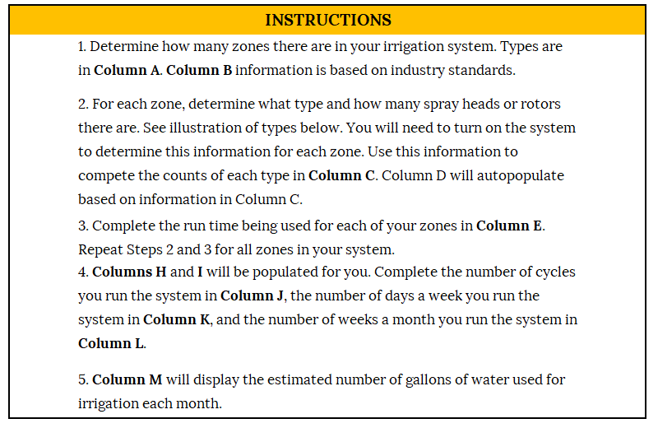
Tri Quarter | 3 | 0 | 0
Full | 4 | 0 | 0
Rotors | 3 | 0 | 0

 |  |  | 0 | Total GPM

Zone 2 | GPM | Count | GPM | Run times
Q | 1 | 0 | 0 | 0
H | 2 | 0 | 0
TQ | 3 | 0 | 0
F | 4 | 0 | 0
R | 3 | 0 | 0

 |  |  | 0 | Total GPM

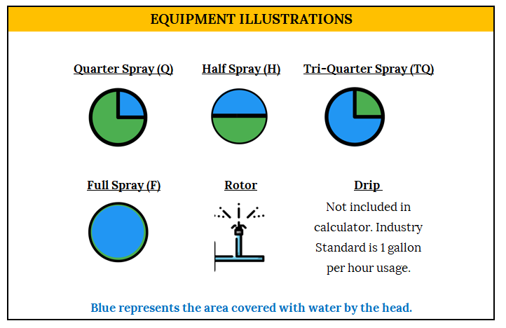
Zone 3 | GPM | Count | GPM | Run times
Q | 1 | 0 | 0 | 0
H | 2 | 0 | 0
TQ | 3 | 0 | 0
F | 4 | 0 | 0
R | 3 | 0 | 0

 |  |  | 0 | Total GPM

Zone 4 | GPM | Count | GPM | Run times
Q | 1 | 0 | 0 | 0
H | 2 | 0 | 0 | 1.00
TQ | 3 | 0 | 0
F | 4 | 0 | 0
R | 3 | 0 | 0

 |  |  | 0 | Total GPM
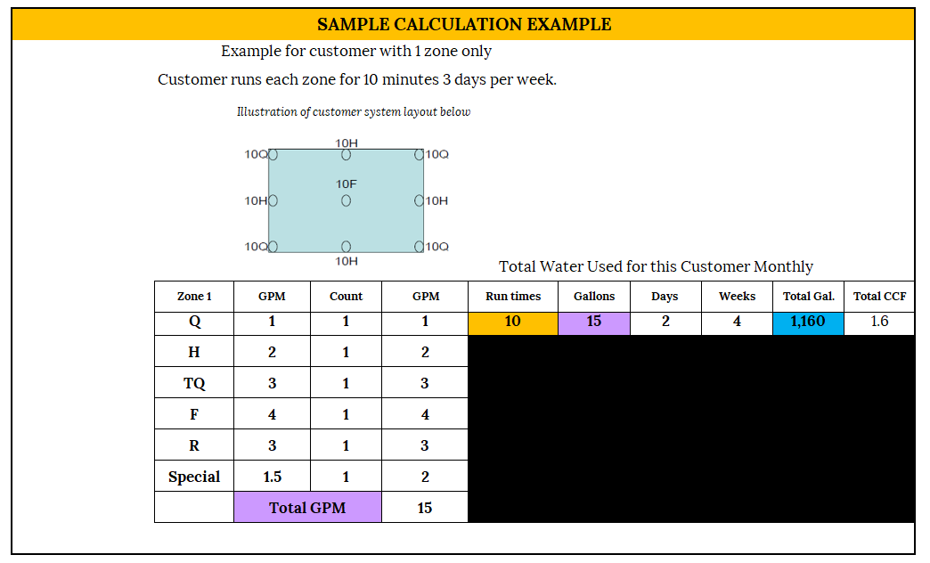
Zone 5 | GPM | Count | GPM | Run times
Q | 1 | 0 | 0 | 0
H | 2 | 0 | 0
TQ | 3 | 0 | 0
F | 4 | 0 | 0
R | 3 | 0 | 0

 |  |  | 0 | Total GPM

Zone 6 | GPM | Count | GPM | Run times
Q | 1 | 0 | 0 | 0
H | 2 | 0 | 0
TQ | 3 | 0 | 0
F | 4 | 0 | 0
R | 3 | 0 | 0

 |  |  | 0 | Total GPM

Zone 7 | GPM | Count | GPM | Run times
Q | 1 | 0 | 0 | 0
H | 2 | 0 | 0
TQ | 3 | 0 | 0
F | 4 | 0 | 0
R | 3 | 0 | 0

 |  |  | 0 | Total GPM

Zone 8 | GPM | Count | GPM | Run times
Q | 1 | 0 | 0 | 0
H | 2 | 0 | 0
TQ | 3 | 0 | 0
F | 4 | 0 | 0
R | 3 | 0 | 0

 |  |  | 0 | Total GPM

Zone 9 | GPM | Count | GPM | Run times
Q | 1 | 0 | 0 | 0
H | 2 | 0 | 0
TQ | 3 | 0 | 0
F | 4 | 0 | 0
R | 3 | 0 | 0

 |  |  | 0 | Total GPM

Zone 10 | GPM | Count | GPM | Run times
Q | 1 | 0 | 0 | 0
H | 2 | 0 | 0
TQ | 3 | 0 | 0
F | 4 | 0 | 0
R | 3 | 0 | 0

 |  |  | 0 | Total GPM

Zone 11 | GPM | Count | GPM | Run times
Q | 1 | 0 | 0 | 0
H | 2 | 0 | 0 | 0.00
TQ | 3 | 0 | 0
F | 4 | 0 | 0
R | 3 | 0 | 0

 |  |  | 0 | Total GPM

Zone 12 | GPM | Count | GPM | Run times
Q | 1 | 0 | 0 | 0
H | 2 | 0 | 0
TQ | 3 | 0 | 0
F | 4 | 0 | 0
R | 3 | 0 | 0

 |  |  | 0 | Total GPM

Zone 13 | GPM | Count | GPM | Run times
Q | 1 | 0 | 0 | 0
H | 2 | 0 | 0
TQ | 3 | 0 | 0
F | 4 | 0 | 0
R | 3 | 0 | 0

 |  |  | 0 | Total GPM

Zone 14 | GPM | Count | GPM | Run times
Q | 1 | 0 | 0 | 0
H | 2 | 0 | 0
TQ | 3 | 0 | 0
F | 4 | 0 | 0
R | 3 | 0 | 0

 |  |  | 0 | Total GPM

Zone 15 | GPM | Count | GPM | Run times
Q | 1 | 0 | 0 | 0
H | 2 | 0 | 0
TQ | 3 | 0 | 0
F | 4 | 0 | 0
R | 3 | 0 | 0

 |  |  | 0 | Total GPM

